Sheet1
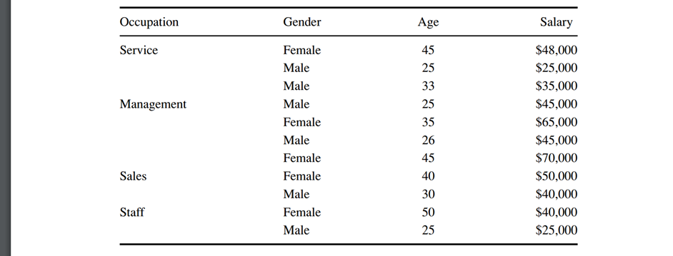
Vyom Shah
CWID--10446209

 | Consider the data in Table above (end of chapter 6 or 8). The target variable is salary. Start by discretizing salary and age as follows:
 | Less than $35,000 Level 1
 | $35,000 to less than $45,000 Level 2
 | $45,000 to less than $55,000 Level 3
 | Above $55,000 Level 4

 | 0 – 30 <= 30
 | 31 - 40 <= 40
 | Above 40 <= 50

 | 6.1 Use Excel to construct a C4.5 decision tree to classify salary based on the other variables.

 |  |  | Step 2 | Column1 | pj | -pj*LOG2(pj)
 |  |  | Level1 | 2 | 0.18 | 0.44
 |  |  | Level2 | 3 | 0.27 | 0.51
 |  |  | Level3 | 4 | 0.36 | 0.53
 |  |  | Level4 | 2 | 0.18 | 0.44
 |  |  |  |  | EntropyH(T) | 1.93

 |  | Occupation | Level1 | -pj*log2(pj) Level1 | Level2 | -pj*log2(pj) Level2 | Level3 | -pj*log2(pj) Level3 | Level4 | -pj*log2(pj) Level4 | Row Total | Percent | Pct*Row Total H(T)

 |  | Occ=Service | 0.33 | 0.52 | 0.33 | 0.52 | 0.33 | 0.52 | 0 | 0 | 1.58 | 0.27 | 0.43
 |  | Occ=Management | 0 | 0 | 0 | 0 | 0.5 | 0.5 | 0.5 | 0.5 | 1 | 0.36 | 0.36
 |  | Occ=Sales | 0 | 0 | 0.5 | 0.5 | 0.5 | 0.5 | 0 | 0 | 1 | 0.18 | 0.18
 |  | Occ=Staff | 0.5 | 0.5 | 0.5 | 0.5 | 0 | 0 | 0 | 0 | 1 | 0.18 | 0.18
 |  | Total |  |  |  |  |  |  |  |  |  | 1 | 1.16
 |  | Net Gain | 0.777 (Entropy reduction by 0.777)

 |  | Age | Level1 | -pj*log2(pj) Level1 | Level2 | -pj*log2(pj) Level2 | Level3 | -pj*log2(pj) Level3 | Level4 | -pj*log2(pj) Level4 | Row Total | Percent | Pct*Row Total H(T)
 |  | Age=Category 1 | 0.4 | 0.52 | 0.2 | 0.46 | 0.4 | 0.52 | 0 | 0 | 1.52 | 0.45 | 0.69
 |  | Age=Category 2 | 0 | 0 | 0.33 | 0.52 | 0.33 | 0.52 | 0.33 | 0.52 | 1.58 | 0.27 | 0.43
 |  | Age=Category 3 | 0 | 0 | 0.33 | 0.52 | 0.33 | 0.52 | 0.33 | 0.52 | 1.58 | 0.27 | 0.43
 |  | Total |  |  |  |  |  |  |  |  |  | 1 | 1.55
 |  | Net Gain | 0.380 (Entropy reduction by 0.380)

 |  | Gender | Level1 | -pj*log2(pj) Level1 | Level2 | -pj*log2(pj) Level2 | Level3 | -pj*log2(pj) Level3 | Level4 | -pj*log2(pj) Level4 | Row Total | Percent | Pct*Row Total H(T)
 |  | Gender=Male | 0.33 | 0.52 | 0.33 | 0.52 | 0.33 | 0.52 | 0 | 0 | 1.58 | 0.54 | 0.86
 |  | Gender=Female | 0 | 0 | 0.2 | 0.46 | 0.4 | 0.52 | 0.4 | 0.52 | 1.52 | 0.45 | 0.69
 |  | Total |  |  |  |  |  |  |  |  |  | 1 | 1.55
 |  | Net Gain | 0.380 (Entropy reduction by 0.380)

